Installation
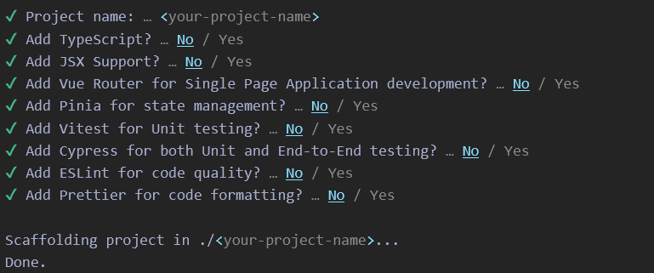

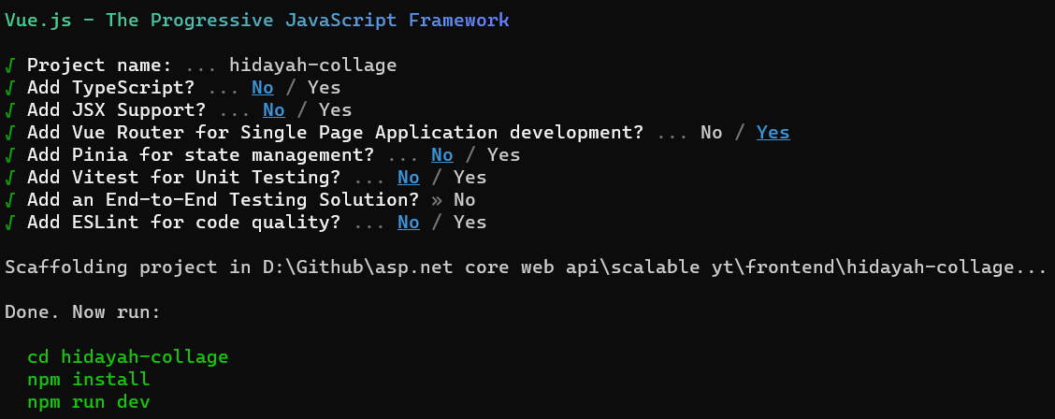

Install Bootsrap 5

Install Poppers

Install vue-router dan axios

Install toast notification

Sheet1
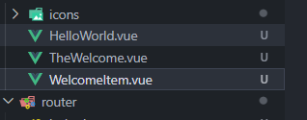
Hapus template dan style di App.vue

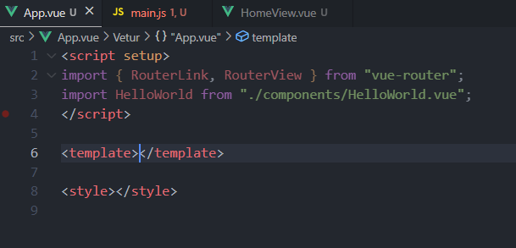

Hapus template di Home.Vue

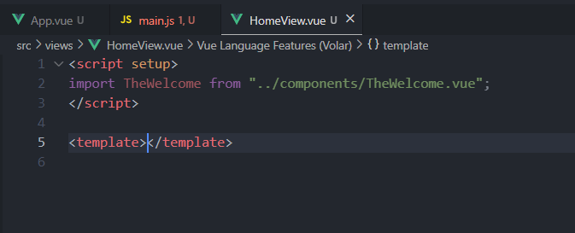

Hapus css di main.js

Hapus 3 Vue

sidebar
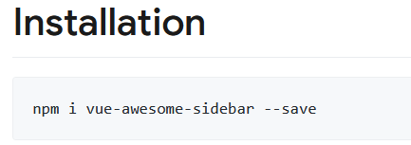

Sheet3
